PRD
Product Requirement Document (PRD) - Version: 1.0

Project Name |  | Online Quiz Management System
Goals & Objective |  | The goal of our project is to make a onlne portal system that can help students attend online quizes to evaluate themselves. From this website : - Students can attend various quizes - Students can see their obtained marks and retake quizes for better marks - Teachers can upload questions. - Moderator can approve questions - Question patterns will be randomized - Questions will be saved on database and can be downloaded.
Client Information
Product Type |  | Web Application
Domain |  | Web2
Access Layers |  | Admin, Moderator, Teacher, Student
Design Required |  | Yes

Phase | Item No | Specification [Role] | Screen Definition | User Story | Acceptance Criteria | UI Screen / Wireframe | Tags
Feature: 1 |  | Auth Feature
phase 1 | 1 | Signup [Teacher] [Student] | <Form> <input=first_name> <input=last_name> <input=phone> <input=email> <input=password> <input=user-type> <button=signin> <link=login> | - Enter Full name (input) - Enter unregistered email (input) - Enter password (input) [Logic: At least 6 characters long, atleast one special character] - Enter password again (input) [Logic: should match password input] - Choose user type [Teacher,Student] - Click Signup (button) [Logic: If the email is unique, user will be registered to the sysmem (databse)] - Sign in (link) [Logic: redirect user to Login page] | - Email (input) field should only accept valid unregistered email address as input, otherwise will show an 'email already used' message. - Password (input) should be minimum 6 characters long. Otherwise show an invalid message. - Re-password (input) should match password. Otherwise show 'password do not match' message. - User type must be selected. Otherwise show 'Please select a user type'. - On clicking signup button, credential will be stored in database, user will be redirected to his dashboard. - A copy of the login information will be sent to his email. |  | signup
phase 1 | 2 | Login [Teacher] [Student] | <Form> <input=email> <input=password> <option=remember me> <button=signin> <link=signup> <link=forgot password> | - Enter Email (input) - Enter password (input) - signin (button) - signup (link) - forgot password (link) | - Email must match database email - password must match database password - User go to dashboard (if email & password match with database) - User is promt with an error. "Email or password does not match!". (if email & password match with database) - clicking signup should take user to signup page - clicking forgot password should take him to forgot password page |  | signin
phase 1 | 3 | Forgot password[Miner] [User] | <Form> <input=email> <button=send code> <input=code> <input=password> <input=confirm Password> <button=submit> | - Enter email (input) - Press send code (button) - Enter new password (input) - Re-type new password (input) - click on change passowrd to update password (button) | - email must match DB email or promt "No email found!" - pressing send code will print a message "code sent!" and the code can be found at user info row. - enter new password [At least 6 characters long, atleast one special character] - re-type new password [it should match new password] - clicking submit button will show user -> "password changed" if all info match criteria or it'll indicate what's wrong |  | forgot_password
Feature: 2 |  | Dashboard
phase 1 | 4 | Home Page | Home About Resources Contact Login Get Started | - Homepage (link) - About (link) - Resources (link) - Contact (link) - Login(link) - Get Started(link) | 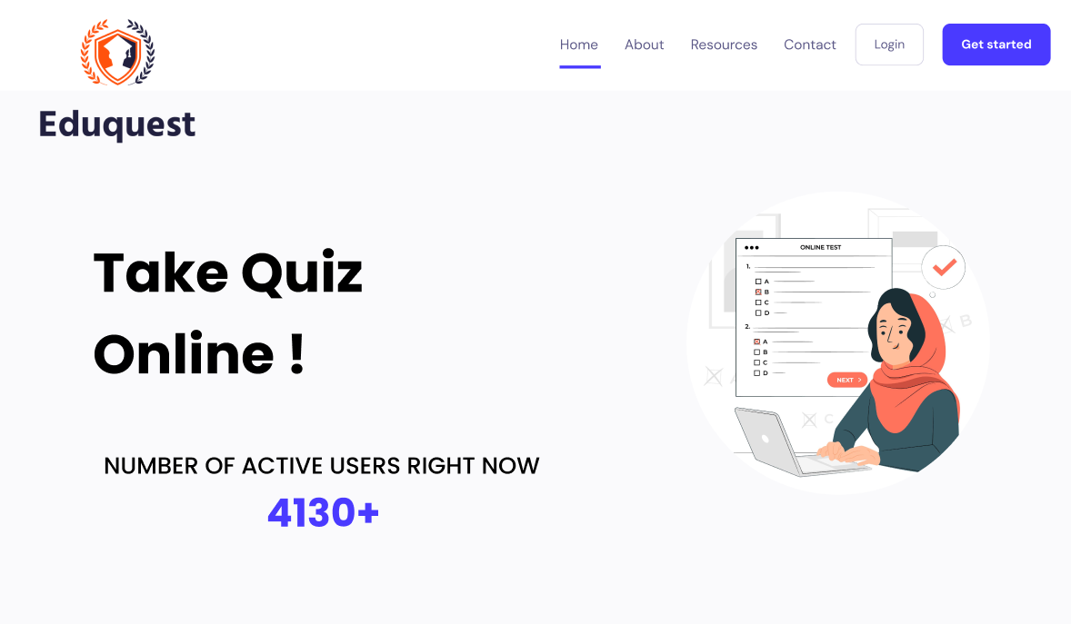 - clicking dashboard will take user to Home page - go to about page on click - go to resources on Click - go to contact page on click - go to Login page on click - go to Get Started page on Click |  | Menu
phase 1 | 5 | Resources | Test Exam Artificial Intelligence Exam Network Security Exam | - Test Exam (link) - Artificial Exam (link) - Test Exam(link) | - clicking Test Exam will take user to dashboard page - go to Artificial Intelligence Exam page on click - go to Network Security Exam on Click | 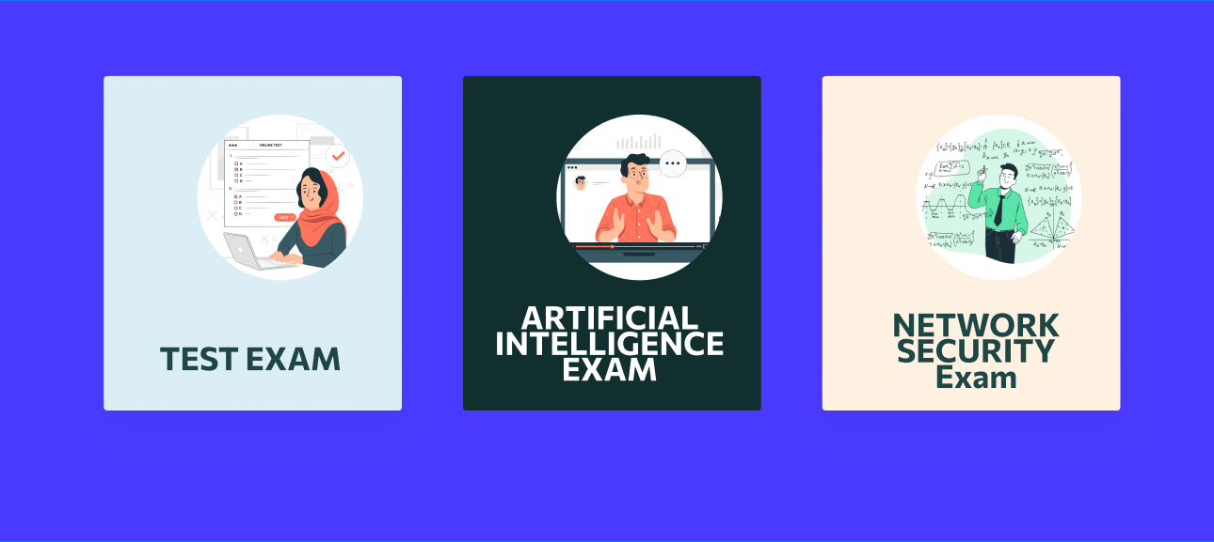
phase 1 | 6 | Get Started | Math English Science Physics General Knowledge Explore All | - Math (link) - English (link) - Science (link) - Physics (link) - General Knowledge (link) - Explore All (link) | - Clicking Math will take you to Math Sample Question Page - Clicking English will take you to English Sample Question Page - Clicking Science will take you to Science Sample Question Page - Clicking Physics will take you to Physics Sample Question Page - Clicking General Knowledge will take you to General Knowledge Sample Question Page - Clicking Explore All will take you to All Available Exams page | 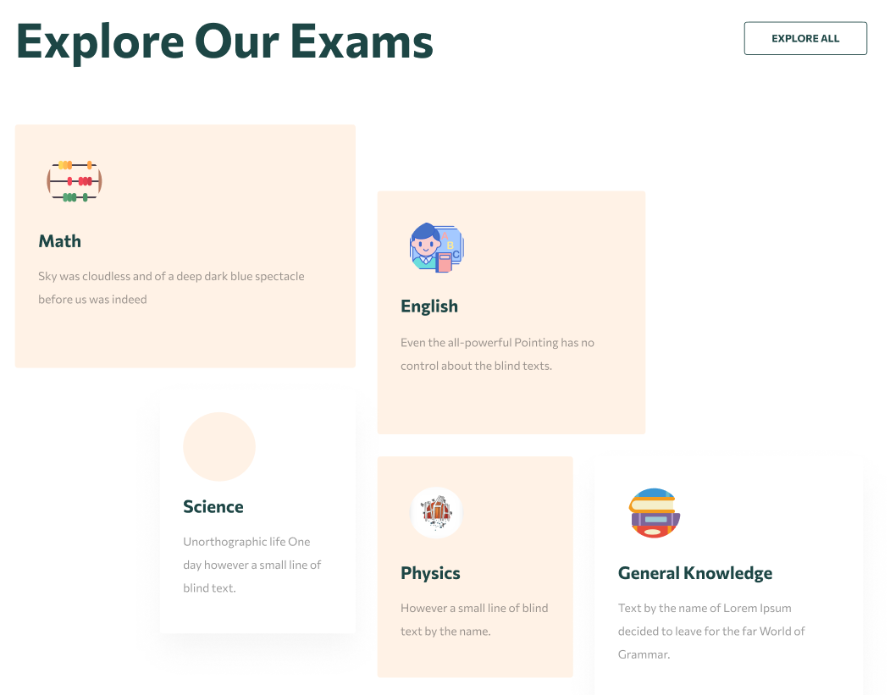
Feature: 3 |  | Top bar and Bottom Bar
phase 1 | 7 | Top bar | <button=buy_now> <button=buy_now> <button=buy_now> | - clicking on logo will take user to dashboard - clicking on logout will logout user - clicking on username will take him to profile page | - pressing buy now from free section will take you to login section - pressing buy now from 29,99$ section will take you to payment methods page - pressing buy now from 59,99$ section will take you to payment methods page | 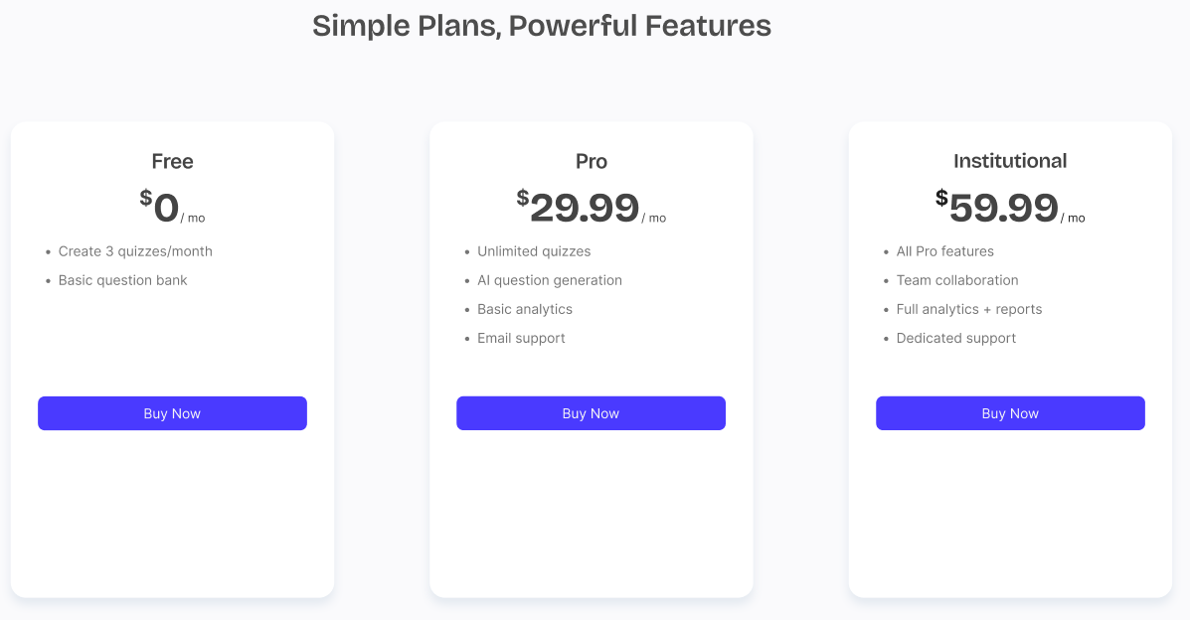
phase 1 | 8 | Bottom Bar | copyright and year | none | none | 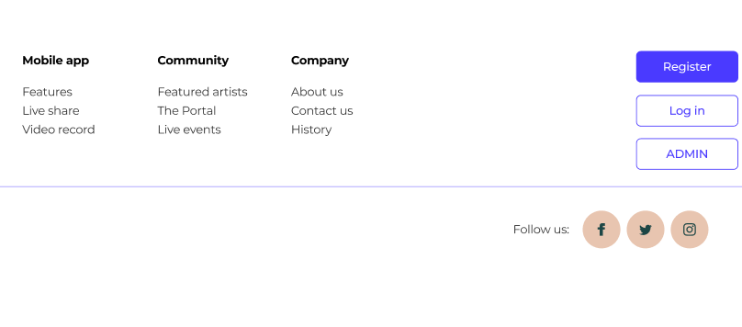
Feature: 4 |  | Send Money
Feature: 5 |  | Public Ledger
Feature: 6 |  | Block
Feature: 7 |  | Mempool
Feature: 8 |  | Mine Blocks
Feature: 9 |  | Verify Blocks
Feature: 10 |  | Profile
Feature: 11 |  | Transaction details
Feature: 12 |  | Block details
Feature: 13 |  | Notification
Feature: 14 |  | Fllowed User
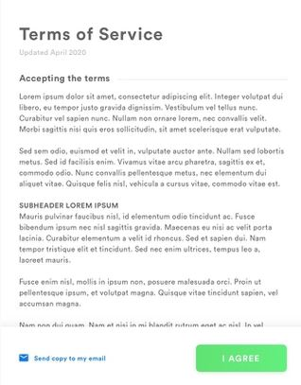
Feature: 15 |  | Legal Agreement Feature
Feature: 16 |  | Transaction History
Feature: 17 |  | About
Feature: 18 |  | Learning Portal
Feature: 19 |  | Deposit
Feature: 20 |  | FAQ
Feature: 21 |  | Currency Converstion
Feature: 22 |  | Request Bitcoin
Feature: 22 |  | Bill Payment

